EDA
Data Info
 | Recording | 记录004
 | Subject | 劉方姿
 | Create Time | 2024-07-05 15:34:35.843
 | Data Name | Finger8 EDA
 | Data Type | EDA
 | Sample Rate | 64
 | Segment | 前静息态
 | Start Time | 0:00:44
 | End Time | 0:05:44
 | Duration | 0:05:00

Replay Chart
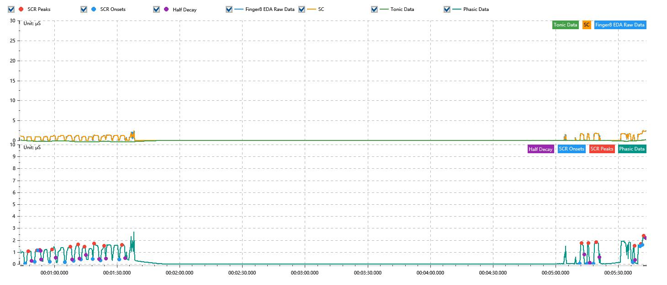

Process parameters
 | Filters
 | Smooth denoise | Enabled | 高斯 | 5(samples)
 | Lowpass filter | Enabled | 5μS
 | Skin Conductance Response
 | SCR extraction | Minimum SCR amplitude | 0.03μS
 | SCR extraction | Max rise time | 4s
 | SCR extraction | Max half decay time | 4s
 | SCR extraction | Peak dection sensitivity | 中
 | Event related activation | Window relative to event | 1s | 4s

Time Domain
 | Data | Mean | Max | Min | Std | Variance | Polar Distance | Data Length
 | SC | 0.23μS | 2.47μS | -0.02μS | 0.49μS | 0.24μS² | 2.49μS | 1200
 | Tonic | -0.06μS | 0.19μS | -0.39μS | 0.11μS | 0.01μS² | 0.58μS | 1200
 | Phasic | 0.28μS | 2.65μS | 0μS | 0.55μS | 0.3μS² | 2.65μS | 1200

SCR
 | OnsetTime | PeakTime | RiseTime | HalfDecayTime | Amp
 | 0.00053474537037 | 0.00055210648148 | 1.5s | 1.5s | 1.04μS
 | 0.0005868287037 | 0.00059840277778 | 1s | 2s | 0.94μS
 | 0.00060418981481 | 0.00061576388889 | 1s | 0.25s | 0.06μS
 | 0.00067074074074 | 0.00068231481481 | 1s | 1.75s | 1.04μS
 | 0.00075465277778 | 0.00078358796296 | 2.5s | 1s | 1.31μS
 | 0.00080094907407 | 0.00082699074074 | 2.25s | 0.75s | 1.36μS
 | 0.00084145833333 | 0.00086171296296 | 1.75s | 0.75s | 1.05μS
 | 0.00090800925926 | 0.00091668981481 | 0.75s | 2.25s | 1.29μS
 | 0.00095141203704 | 0.00097166666667 | 1.75s | 0.75s | 1.22μS
 | 0.0010555787037 | 0.0010700462963 | 1.25s | 1.5s | 1.25μS
 | 0.0036047685185 | 0.0036163425926 | 1s | 1.25s | 1.72μS
 | 0.0036452777778 | 0.0036539583333 | 0.75s | 0.75s | 1.7μS
 | 0.0036828935185 | 0.0036973611111 | 1.25s | 1.5s | 1.8μS
 | 0.0038999074074 | 0.003908587963 | 0.75s | 0.25s | 1.37μS
 | 0.0039404166667 | 0.0039462037037 | 0.5s | 2.25s | 0.18μS
 | 0.0039519907407 | 0.0039606712963 | 0.75s | 1s | 0.77μS

Event Related
 | Event Group | Event Name | Event Description | EventTime | SCRCount | Latency | AmpSum | SCL | Half Decay Time Avg. | Rise Decay Time Avg.
 | Custom | 前静息态采集开始 |  | 0.00050579953241 | 1 | 2.5s | 1.04μS | -0.02μS | 1.5s | 1.5s

